Sheet1
 | Page: Student Registration Form
 | Author
 | Page Link: https://demoqa.com/automation-practice-form

TC ID | Test Scenario | Test Description | Test Type | Pre-condition | Step | Test Data | Expected Result | Actual Result | Status | Note
TC-SIGNUP-1 | The UI is like the design | Verify that elements are displayed exactly as designed | UI | The UI/UX design | 1. Open browser and visit the website. |  | Elements are displayed exactly as designed | 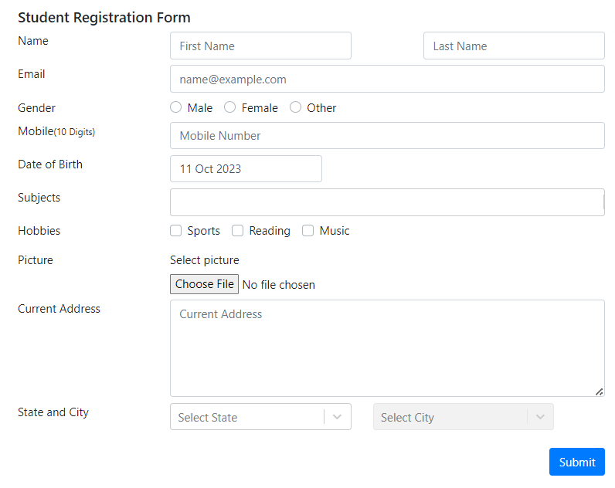 | Pass
TC-SIGNUP-2 |  | Verify that elements work exactly as designed |  |  | 1. Open browser and visit the website 2. Type on each input area. 3. Delete everything in each input area using Backspace. 4. Click on Choose picture button and choose picture from computer. |  | - The user can type and delete in the input fields - The user can choose picture file from computer |  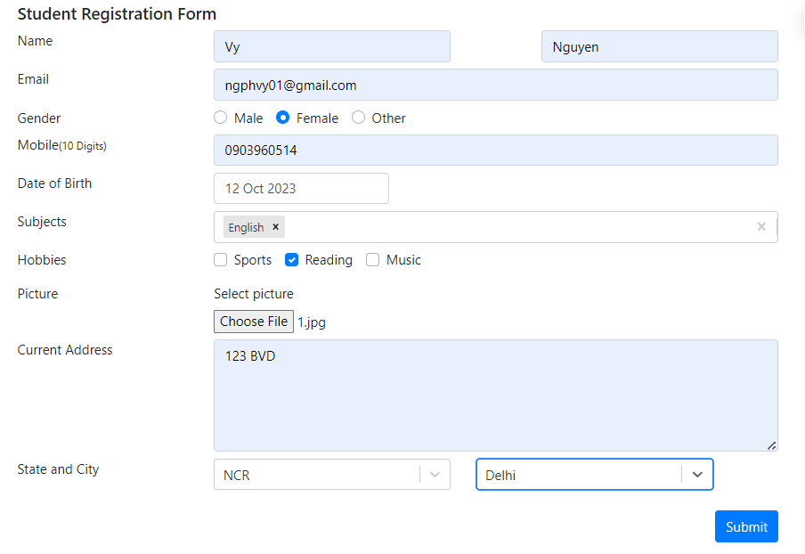 - Continuously deleting by Backspace in Subjects area making webpage reload - The other areas work perfectly | Fail
TC-SIGNUP-3 | The user sign up successfully | Verify that the user sign up successfully by filling all areas with valid information | Functionality | The mobile number does not exist in the system | 1. Open browser and visit the website 2. Input Name 3. Input Email 4. Choose Gender 5. Input Mobile Number 6. Input Date of Birth 7. Input Subjects 8. Input Hobies 9. Choose Picture 10. Input Current address 11. Choose State and City 12. Click on Submit button | First Name = "Vy" Last Name = "Nguyen" Email = "ngphvy01@gmail.com" Gender = "Female" Mobile = "0903960514" Date of Birth = "11 Oct 2023" Subjects = "English" Hobies = "Reading" Picture = "1.jpg" Current address = "123 BVD" State = "NCR" City = "Delhi" | The confirmation form is displayed | 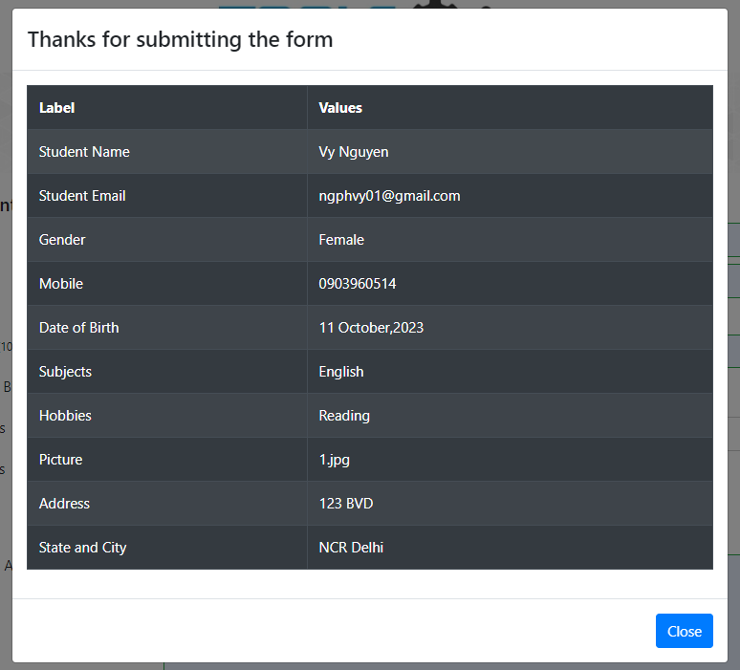 | Pass
TC-SIGNUP-4 |  | Verify that the user sign up successfully with filling only valid required areas |  | The mobile number does not exist in the system | 1. Open browser and visit the website 2. Input Name 3. Choose Gender 4. Input Mobile Number 5. Input Date of Birth 6. Click on Submit button | First Name = "Vy" Last Name = "Nguyen" Gender = "Female" Mobile = "0903960514" Date of Birth = "11 Oct 2023" | The confirmation form is displayed | 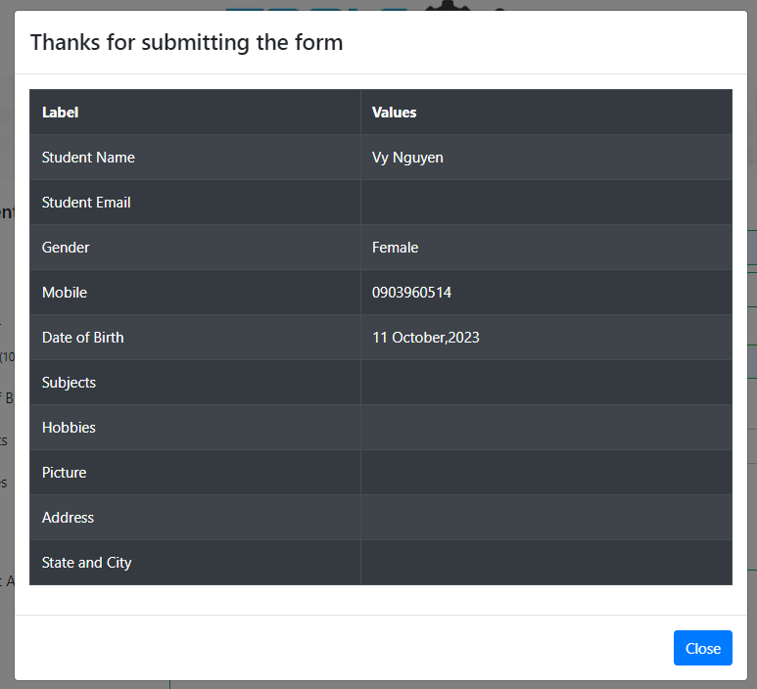 | Pass
TC-SIGNUP-5 | The user can not sign up | Verify that the user can not sign up with all empty required information | Functionality |  | 1. Open browser and visit the website 2. Click on Submit button |  | Every required area has red border | 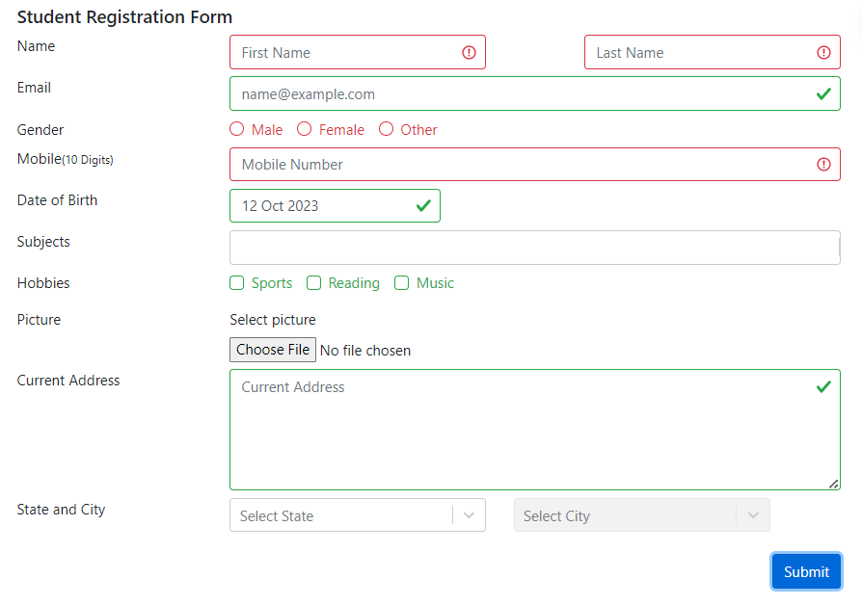 | Pass | Some empty areas have been checked without any information
TC-SIGNUP-6 |  | Verify that the user can not sign up with an availble mobile number |  | The mobile number is available in the system | 1. Open browser and visit the website 2. Input Name 3. Input Email 4. Choose Gender 5. Input Mobile Number 6. Input Date of Birth 7. Input Subjects 8. Input Hobies 9. Choose Picture 10. Input Current address 11. Choose State and City 12. Click on Submit button | First Name = "Vy" Last Name = "Nguyen" Email = "ngphvy01@gmail.com" Gender = "Female" Mobile = "0909320976" Date of Birth = "11 Oct 2023" Subjects = "English" Hobies = "Reading" Picture = "1.jpg" Current address = "123 BVD" State = "NCR" City = "Delhi" | 1. Mobile text box has a red border 2. Other valid areas have green border 3. Show notification about existing mobile number | 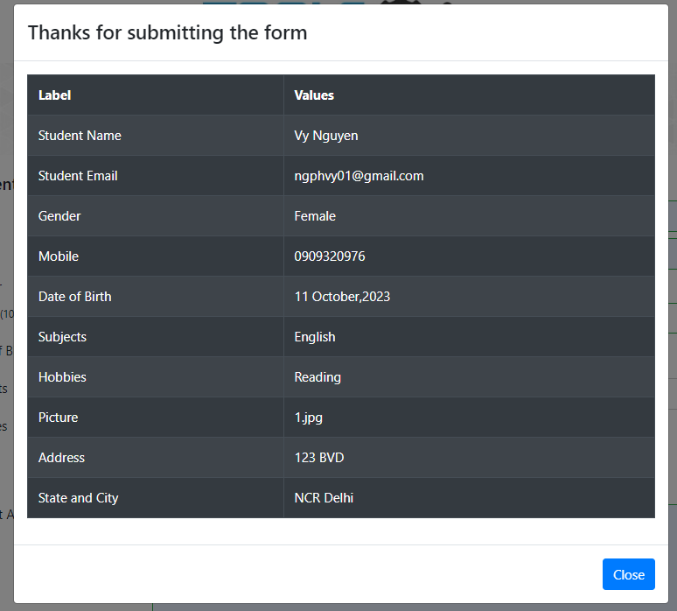 | Fail
TC-SIGNUP-7 |  | Verify that the user can not sign up with an invalid email: - Email does not include "@" |  |  | 1. Open browser and visit the website 2. Input Name 3. Input Email 4. Choose Gender 5. Input Mobile Number 6. Input Date of Birth 7. Input Subjects 8. Input Hobies 9. Choose Picture 10. Input Current address 11. Choose State and City 12. Click on Submit button | First Name = "Vy" Last Name = "Nguyen" Email = "ngphvy01.com" Gender = "Female" Mobile = "0903960514" Date of Birth = "11 Oct 2023" Subjects = "English" Hobies = "Reading" Picture = "1.jpg" Current address = "123 BVD" State = "NCR" City = "Delhi" | 1. Email text box has a red border 2. Other valid areas have green border | 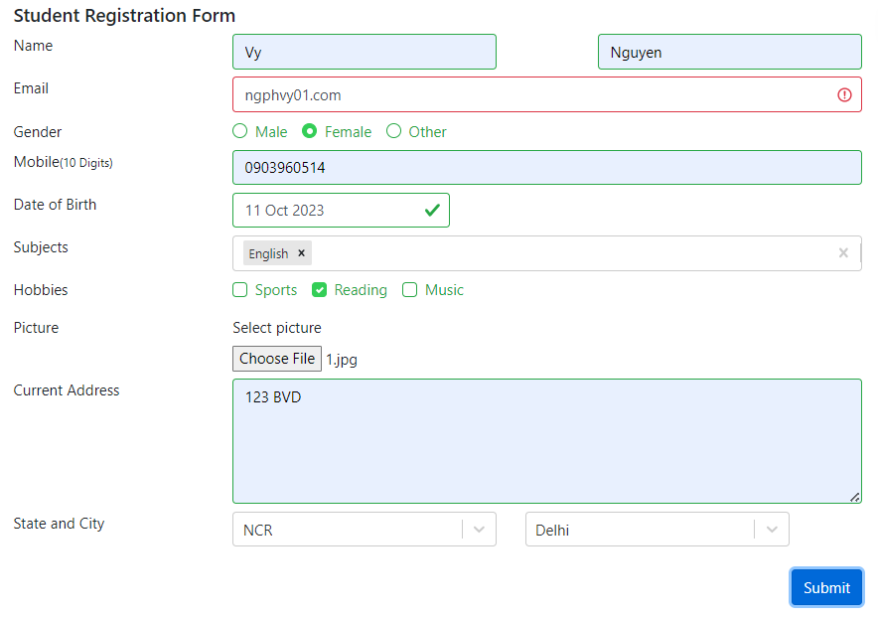 | Pass
TC-SIGNUP-8 |  | Verify that the user can not sign up with and invalid email: - Email include more than 1 "." |  |  | 1. Open browser and visit the website 2. Input Name 3. Input Email 4. Choose Gender 5. Input Mobile Number 6. Input Date of Birth 7. Input Subjects 8. Input Hobies 9. Choose Picture 10. Input Current address 11. Choose State and City 12. Click on Submit button | First Name = "Vy" Last Name = "Nguyen" Email = "ngphvy01......com" Gender = "Female" Mobile = "0903960514" Date of Birth = "11 Oct 2023" Subjects = "English" Hobies = "Reading" Picture = "1.jpg" Current address = "123 BVD" State = "NCR" City = "Delhi" | 1. Email text box has a red border 2. Other valid areas have green border | 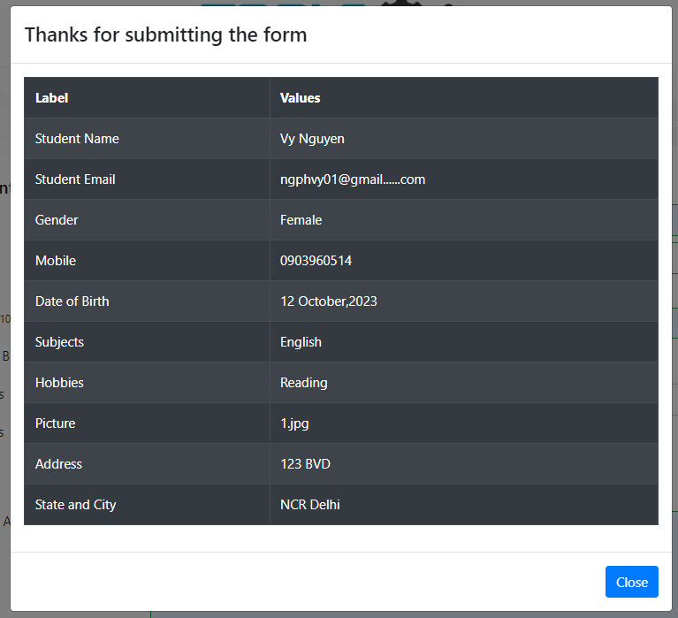 | Fail
TC-SIGNUP-9 |  | Verify that the user can not sign up with and invalid email: - Email does not include ".com" |  |  | 1. Open browser and visit the website 2. Input Name 3. Input Email 4. Choose Gender 5. Input Mobile Number 6. Input Date of Birth 7. Input Subjects 8. Input Hobies 9. Choose Picture 10. Input Current address 11. Choose State and City 12. Click on Submit button | First Name = "Vy" Last Name = "Nguyen" Email = "ngphvy01@gmail" Gender = "Female" Mobile = "0903960514" Date of Birth = "11 Oct 2023" Subjects = "English" Hobies = "Reading" Picture = "1.jpg" Current address = "123 BVD" State = "NCR" City = "Delhi" | 1. Email text box has a red border 2. Other valid areas have green border | 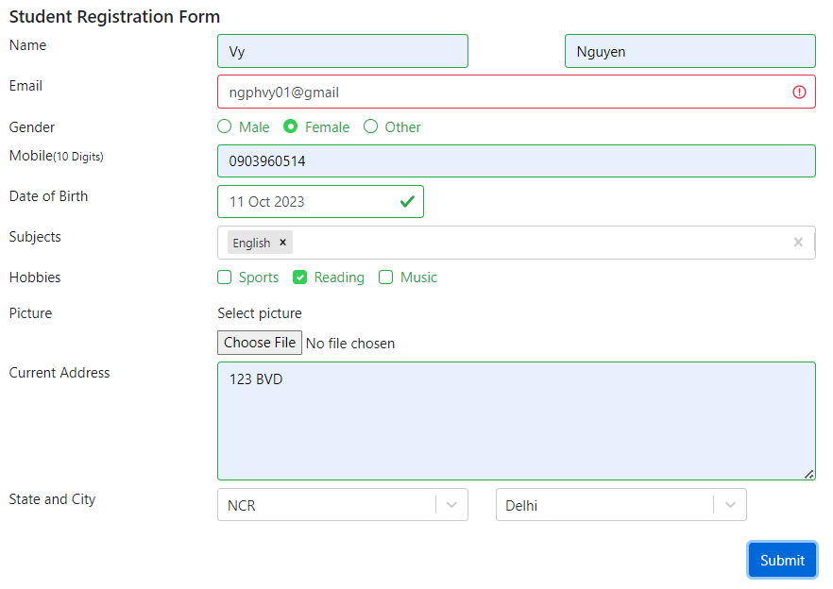 | Pass
TC-SIGNUP-10 |  | Verify that the user can not sign up with invalid mobile number format: - Number has alphabet characters |  |  | 1. Open browser and visit the website 2. Input Name 3. Input Email 4. Choose Gender 5. Input Mobile Number 6. Input Date of Birth 7. Input Subjects 8. Input Hobies 9. Choose Picture 10. Input Current address 11. Choose State and City 12. Click on Submit button | First Name = "Vy" Last Name = "Nguyen" Email = "ngphvy01@gmail.com" Gender = "Female" Mobile = "abcdef" Date of Birth = "11 Oct 2023" Subjects = "English" Hobies = "Reading" Picture = "1.jpg" Current address = "123 BVD" State = "NCR" City = "Delhi" | 1. Mobile text box has a red border 2. Other valid areas have green border | 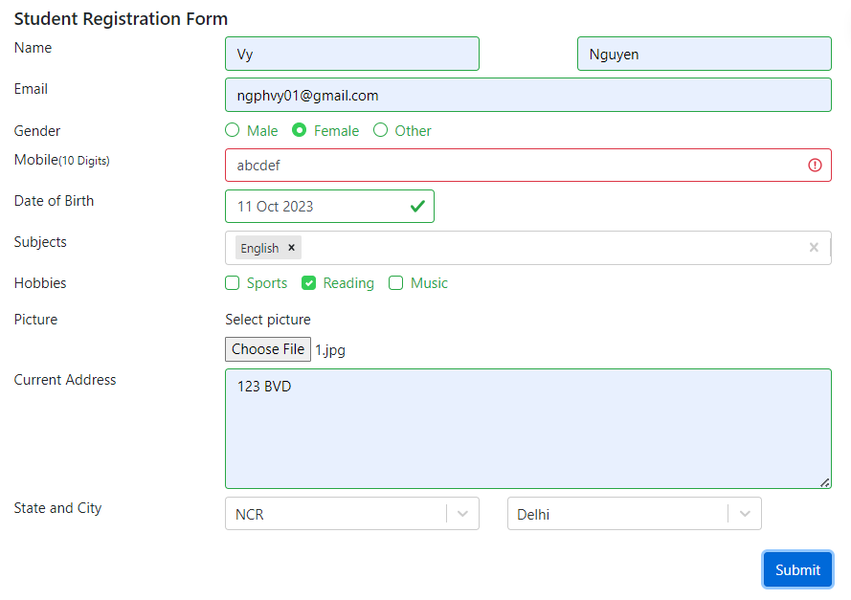 | Pass
TC-SIGNUP-11 |  | Verify that the user can not sign up with invalid picture file format |  |  | 1. Open browser and visit the website 2. Input Name 3. Input Email 4. Choose Gender 5. Input Mobile Number 6. Input Date of Birth 7. Input Subjects 8. Input Hobies 9. Choose Picture 10. Input Current address 11. Choose State and City 12. Click on Submit button | First Name = "Vy" Last Name = "Nguyen" Email = "ngphvy01@gmail.com" Gender = "Female" Mobile = "0903960514" Date of Birth = "11 Oct 2023" Subjects = "English" Hobies = "Reading" Picture = "19127088.pdf" Current address = "123 BVD" State = "NCR" City = "Delhi" | 1. Picture has a red notification 2. Other valid areas have green border | 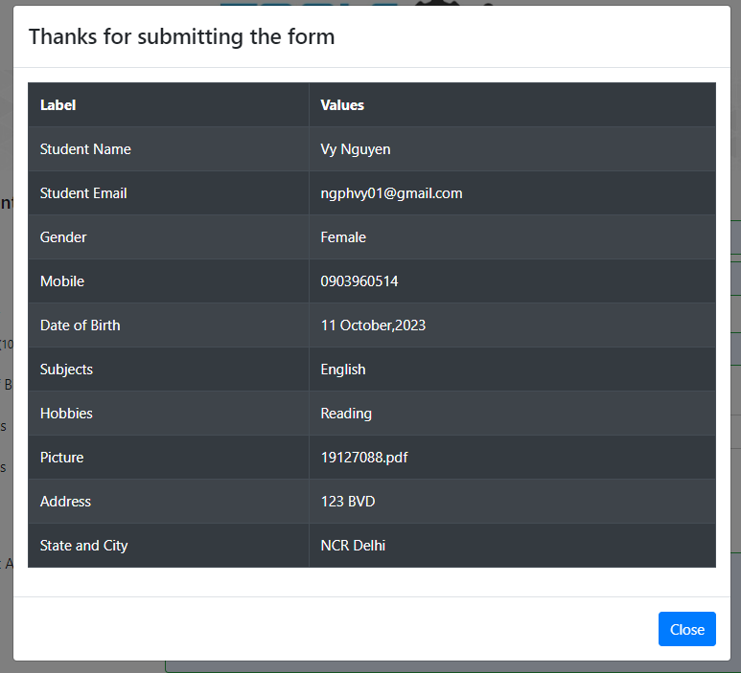 | Fail
TC-SIGNUP-12 |  | Verify that the user can not sign up with empty Name |  |  | 1. Open browser and visit the website 2. Input Name 3. Input Email 4. Choose Gender 5. Input Mobile Number 6. Input Date of Birth 7. Input Subjects 8. Input Hobies 9. Choose Picture 10. Input Current address 11. Choose State and City 12. Click on Submit button | First Name = "" Last Name = "Nguyen" Email = "ngphvy01@gmail.com" Gender = "Female" Mobile = "0903960514" Date of Birth = "11 Oct 2023" Subjects = "English" Hobies = "Reading" Picture = "1.jpg" Current address = "123 BVD" State = "NCR" City = "Delhi" | 1. FirstName has a red border 2. Other valid areas have green border |  | Pass
TC-SIGNUP-13 |  | Verify that the user can not sign up with empty Mobile Number |  |  | 1. Open browser and visit the website 2. Input Name 3. Input Email 4. Choose Gender 7. Input Date of Birth 8. Input Subjects 9. Input Hobies 10. Choose Picture 11. Input Current address 12. Choose State and City 13. Click on Submit button | First Name = "Vy" Last Name = "Nguyen" Email = "ngphvy01@gmail.com" Gender = "Female" Mobile = "" Date of Birth = "11 Oct 2023" Subjects = "English" Hobies = "Reading" Picture = "1.jpg" Current address = "123 BVD" State = "NCR" City = "Delhi" | 1. Mobile Number has a red border 2. Other valid areas have green border | 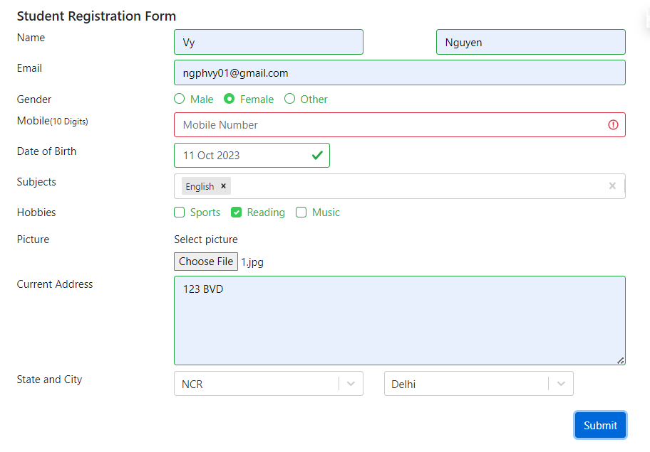 | Pass
TC-SIGNUP-14 |  | Verify that the user can not sign up with empty Gender |  |  | 1. Open browser and visit the website 2. Input Name 3. Input Email 4. Input Mobile Number 5. Input Date of Birth 6. Input Subjects 7. Input Hobies 8. Choose Picture 9. Input Current address 10. Choose State and City 11. Click on Submit button | First Name = "Vy" Last Name = "Nguyen" Email = "ngphvy01@gmail.com" Gender = "" Mobile = "0903960514" Date of Birth = "11 Oct 2023" Subjects = "English" Hobies = "Reading" Picture = "1.jpg" Current address = "123 BVD" State = "NCR" City = "Delhi" | 1. Gender has red notification 2. Other valid areas have green border | 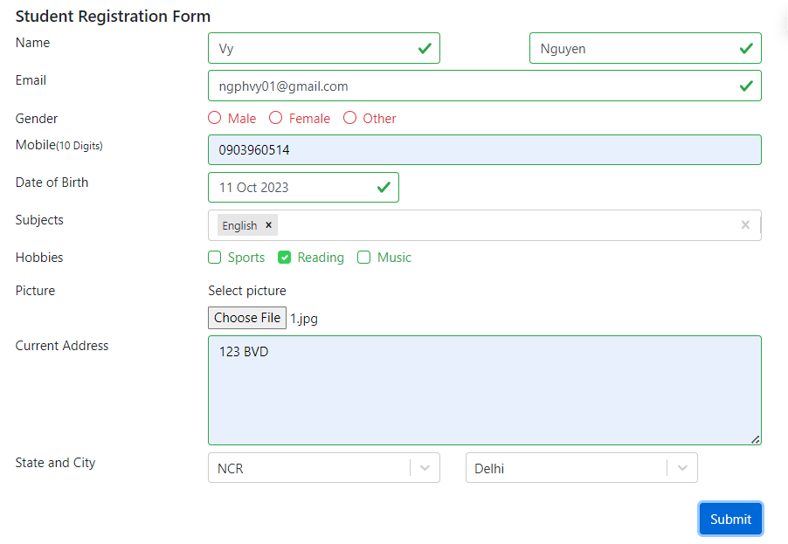 | Pass

